Sheet1
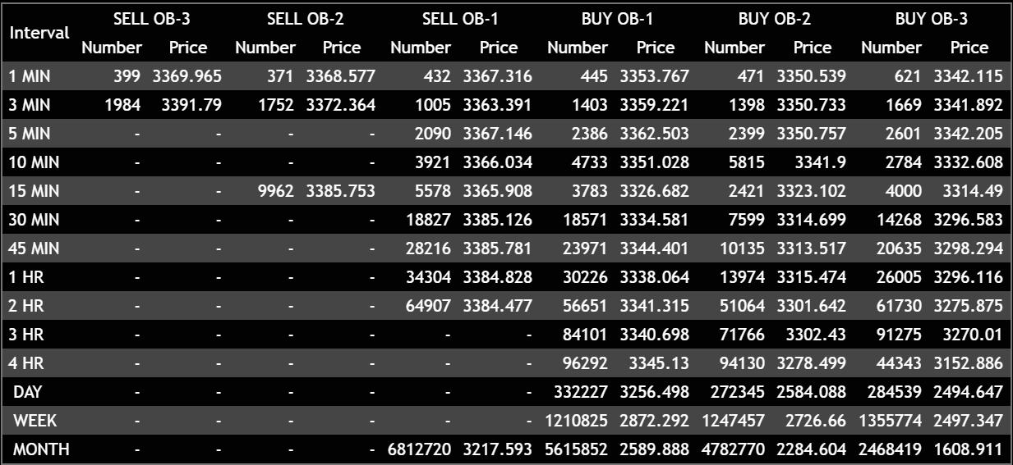
Date | 2024-07-17 | Symbol | AAPL | Zigzag++ Indicator | Pivot Points |  |  |  | MACD value at Pivot point | MACD Crossover Above/Below Histogram Time & Value
Time | 13:03:00 | Stock | Apple Inc | Time/Date stamp |  | Pivot Price | VWAP | EMA |  | Above | Value | Below | Value | Line Chart Indicator Values as Series. Colors as given
 |  |  |  | 7/17/2024 | LL | 3360.555 | 3353.767 | 3367.767 |  | 7/17/2024 | 0.2841 | 7/17/2024 | -0.2195 | Legend | P6A | TC | BS1 | BS2 | BS3 | REV
 |  |  |  |  | HL | 3363.565 | 3353.556 | 3365.554 |  |  |  |  |  | Interval | Series 1 | Series 2 | Series 3 | Series 4 | Series 5 | Series 6 | Series 7 | Series 8 | Series 9 | Series 10 | Series 11 | Series 12
 |  |  |  |  |  |  |  |  |  |  |  |  |  | 1 MIN | 3333.333 | 3335.233 | 3337.133 | 3339.033 | 3340.933 | 3342.833
 |  |  |  |  |  |  |  |  |  |  |  |  |  | 3 MIN | 3334.444 | 3336.366 | 3339.546 | 3340.235 | 3341.241 | 3341.21
 |  |  |  |  |  |  |  |  |  |  |  |  |  | 5 MIN | 3335.555 | 3337.499 | 3341.959 | 3341.437 | 3341.549 | 3339.587
 |  |  |  |  |  |  |  |  |  |  |  |  |  | 10 MIN | 3336.666 | 3338.632 | 3344.372 | 3342.639 | 3341.857 | 3337.964 |  | These series will be provided linking from another source which aslo will be required in datarecord/log which may take a complete snapshot every 5 mins to limit overlad of data
 |  |  |  |  |  |  |  |  |  |  |  |  |  | 15 MIN | 3337.777 | 3339.765 | 3346.785 | 3343.841 | 3342.165 | 3336.341
 |  |  |  |  |  |  |  |  |  |  |  |  |  | 30 MIN | 3338.888 | 3340.898 | 3349.198 | 3345.043 | 3342.473 | 3334.718
 |  |  |  |  |  |  |  |  |  |  |  |  |  | 45 MIN | 3339.999 | 3342.031 | 3351.611 | 3346.245 | 3342.781 | 3333.095
 |  |  |  |  |  |  |  |  |  |  |  |  |  | 60 MIN | 3341.11 | 3343.164 | 3354.024 | 3347.447 | 3343.089 | 3331.472
 |  |  |  |  |  |  |  |  |  |  |  |  |  | 2 HR | 3342.221 | 3344.297 | 3356.437 | 3348.649 | 3343.397 | 3329.849
 |  |  |  |  |  |  |  |  |  |  |  |  |  | 3 HR | 3343.332 | 3345.43 | 3358.85 | 3349.851 | 3343.705 | 3328.226
 |  |  |  |  |  |  |  |  |  |  |  |  |  | 4HR | 3344.443 | 3346.563 | 3361.263 | 3351.053 | 3344.013 | 3326.603
 |  |  |  |  |  |  |  |  |  |  |  |  |  | DAY | 3345.554 | 3347.696 | 3363.676 | 3352.255 | 3344.321 | 3324.98
 |  |  |  |  |  |  |  |  |  |  |  |  |  | WEEK | 3346.665 | 3348.829 | 3366.089 | 3353.457 | 3344.629 | 3323.357
 |  |  |  |  |  |  |  |  |  |  |  |  |  | MONTH | 3347.776 | 3349.962 | 3368.502 | 3354.659 | 3344.937 | 3321.734

*Note:We may need to replace empty data cells to 0 or 0.0001 or something to enable easy calculation |  |  |  |  |  |  |  |  |  |  |  |  |  | Axis Values Max & Min of Data set if not too far apart or option to adjust to see closely
*I need the top table block to keep refreshing data continously in the reserved cells and also need a record/log below or separate sheet as convenient |  |  |  |  |  |  |  |  |  |  |  |  |  | Option to adject axis value if too apart sometimes
* how will data get handled of the data capaity of sheet is finished? |  |  |  |  |  |  |  |  |  |  |  |  |  | These series will be shared from another source
* How will sheets auto populate when a new symbol starts |  |  |  |  |  |  |  |  |  |  |  |  |  | These series need to make a line chart
* Name of sheet to be same as Symbol? |  |  |  |  |  |  |  |  |  |  |  |  |  | Series with no data won't show up
 |  |  |  |  |  |  |  |  |  |  |  |  |  | Series currently expected to be 5-6 but keeping provision for more as needed up to 12
 |  |  |  |  |  |  |  |  |  |  |  |  |  | When making indicator please also make a table for the line chart values to see values clearly with interval headers and showing average and deviation percentage of points
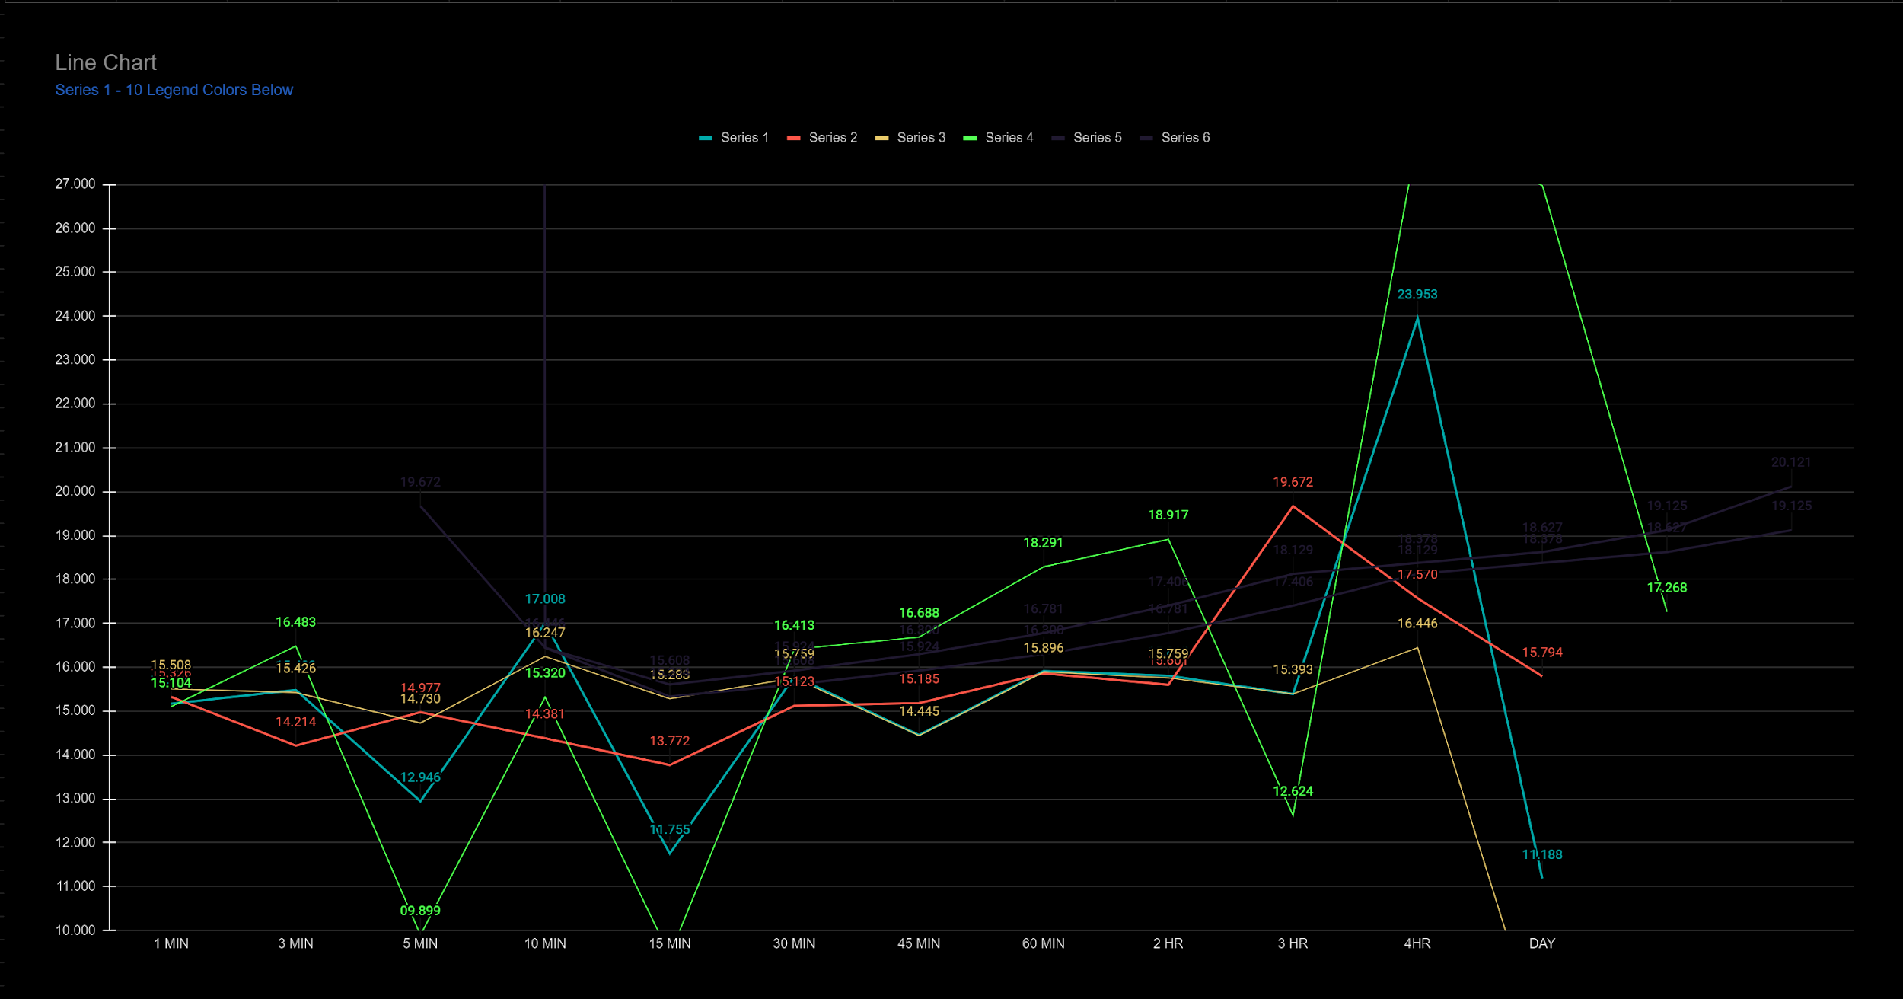
 |  |  |  |  |  |  |  |  |  |  |  |  |  | Example of Line Chart

 |  |  |  |  |  |  |  |  |  |  |  |  |  | Table Example |  | Option To select number of rows based on series availability
 |  |  |  |  |  |  |  |  |  |  |  |  |  |  |  | 1 MIN | 3 MIN | 5 MIN | 10 MIN | 15 MIN | 30 MIN | 45 MIN | 60 MIN | 2 HR | 3 HR | 4HR | DAY | WEEK | MONTH
 |  |  |  |  |  |  |  |  |  |  |  | Auto Calculated ---------------> |  | Deviation % from Avg |  | xxxx.xxx
 |  |  |  |  |  |  |  |  |  |  |  | Auto Calculated ---------------> |  | Avg Series/Each Interval |  | xxxx.xxx
 |  |  |  |  |  |  |  |  |  |  |  |  |  |  | S1 | xxxx.xxx
 |  |  |  |  |  |  |  |  |  |  |  |  |  |  | S2 | xxxx.xxx
 |  |  |  |  |  |  |  |  |  |  |  |  |  |  | S3 | xxxx.xxx
 |  |  |  |  |  |  |  |  |  |  |  |  |  |  | S4 | xxxx.xxx
 |  |  |  |  |  |  |  |  |  |  |  |  |  |  | S5 | xxxx.xxx

